Sheet1
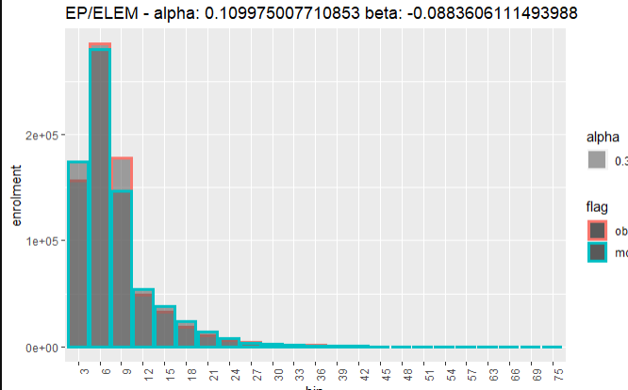
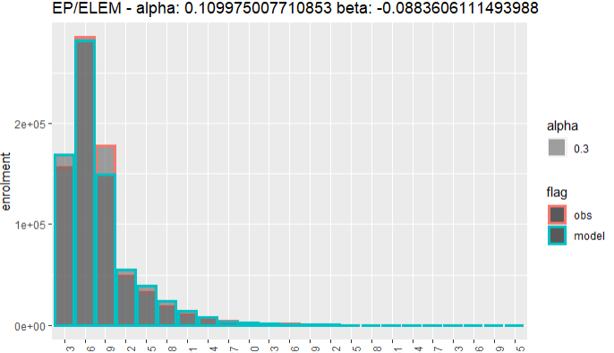
 | Eng Pub Elem
 | Alpha | Beta | CR | 3 | 6
1 | 0.10997500771 | -0.088360611149 | 0.852
2 | 0.4 | -0.15 | 0.909
3 | 0.4 | -0.12 | 0.911
4 | 0.4 | -0.17 | 0.902
5 | 0.4 | -0.11 | 0.911
6 | 0.3 | -0.11 | 0.902
7 | 0.5 | -0.11 | 0.918
8 | 0.6 | -0.11 | 0.911

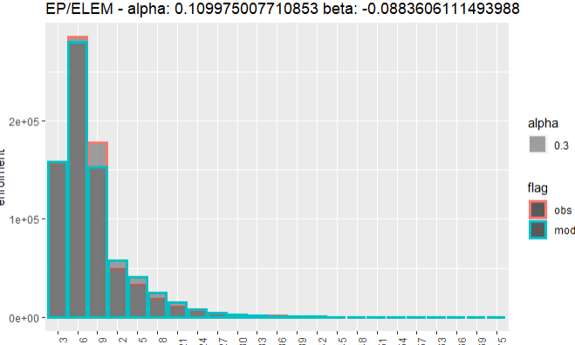
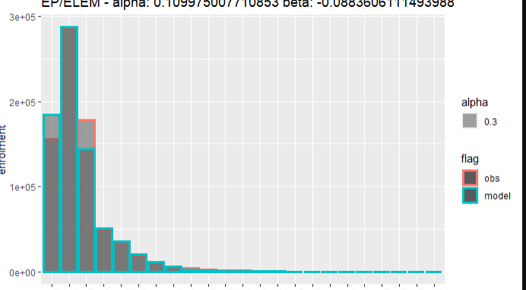
 |  |  |  | 4 | 7

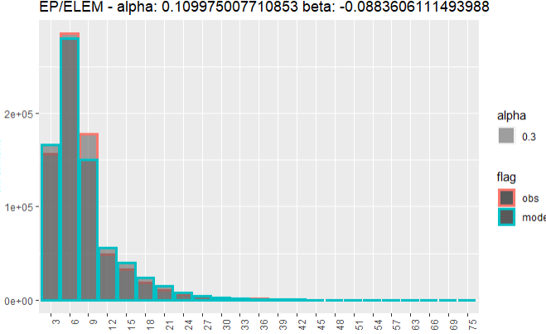
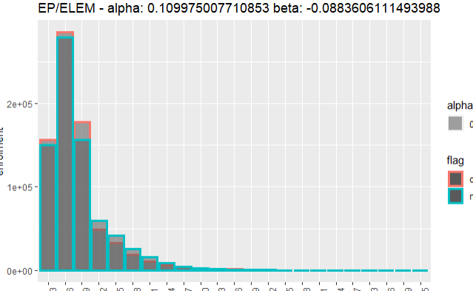
 |  |  |  | 5 | 8

